Boards
Defect # | Status | Raised By | Tested on Version | Test Case ID | Steps to Reproduce | Expected Result | Actual Result | Priority | Severity | Screen shot | Test Data
1 | opened | Mohamed Ragab | V1 | BR08 | 1. open postman Send GET request with invalid boardId 2. Check response code 3. Parse response JSON | status code : 400 response in : JSON | status code : 401 response in : HTML | low | Minor | 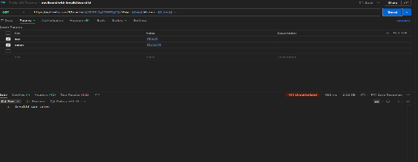 | https://api.trello.com/1/boards/{{INVALID_BOARD_ID}}?key={{key}}&token={{token}}
2 | opened | Mohamed Ragab | V1 | BR09 | 1-open postman Send GET request with invalid boardId 2. Check response code 3. Parse response JSON | status code : 400 | status code : 401 | low | minor | 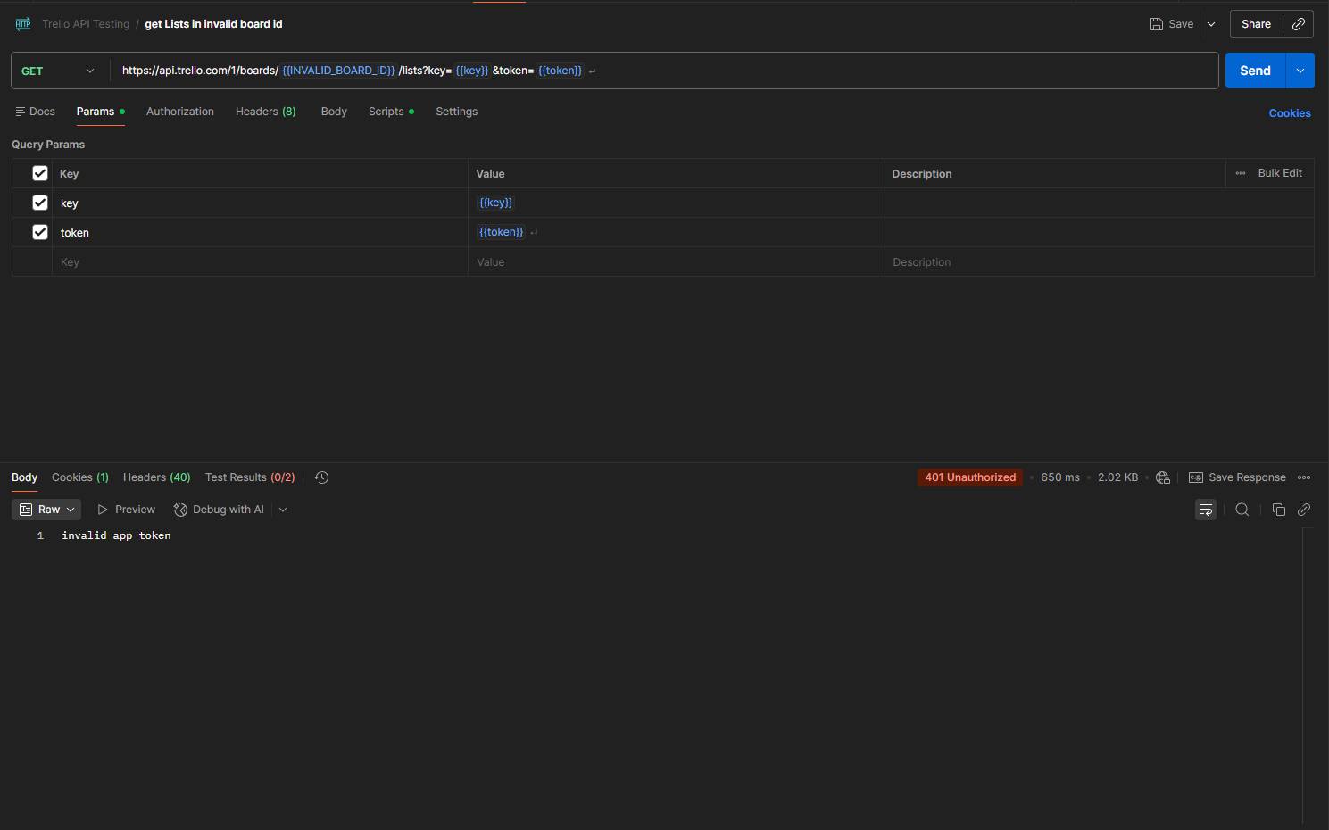 | https://api.trello.com/1/boards/{{INVALID_BOARD_ID}}/lists?key={{key}}&token={{token}}
3 | opened | Mohamed Ragab | V1 | BR10 | 1. Open Postman 2. Set method to POST 3. Enter URL incorrect with invalid boardId 4. Add key & token 5. Click Send 6. Observe status code and response body | status code : 400 response in : json | status code : 401 | low | minor | 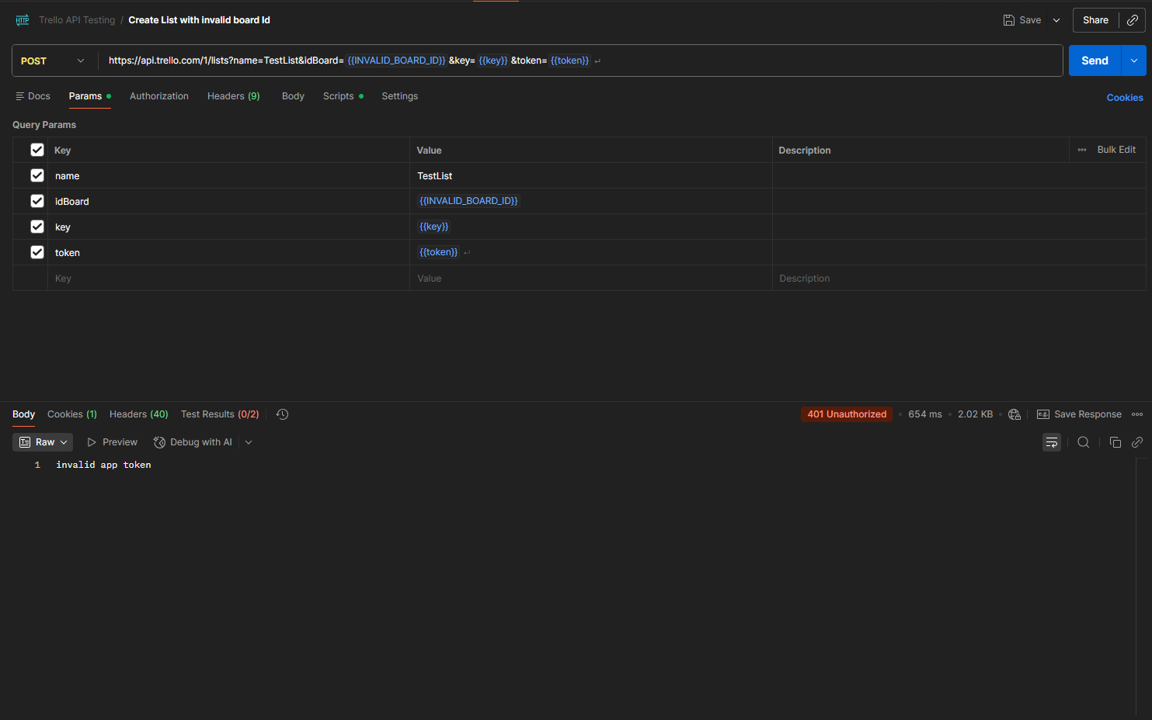 | https://api.trello.com/1/lists?name=TestList&idBoard={{INVALID_BOARD_ID}}&key={{key}}&token={{token}}

cards
Defect # | Status | Raised By | Tested on Version | Test Case ID | Steps to Reproduce | Expected Result | Actual Result | Priority | Severity | Screen shot | Test Data
1 | opened | Salma Alaa | V1 | GC02 | 1-open postman 2-set method to post 3-Enter Incorrect URL 4-Enter required headers 5-Click send | status code : 404 response in : JSON | status code : 200 response in : HTML | immediate | Major | 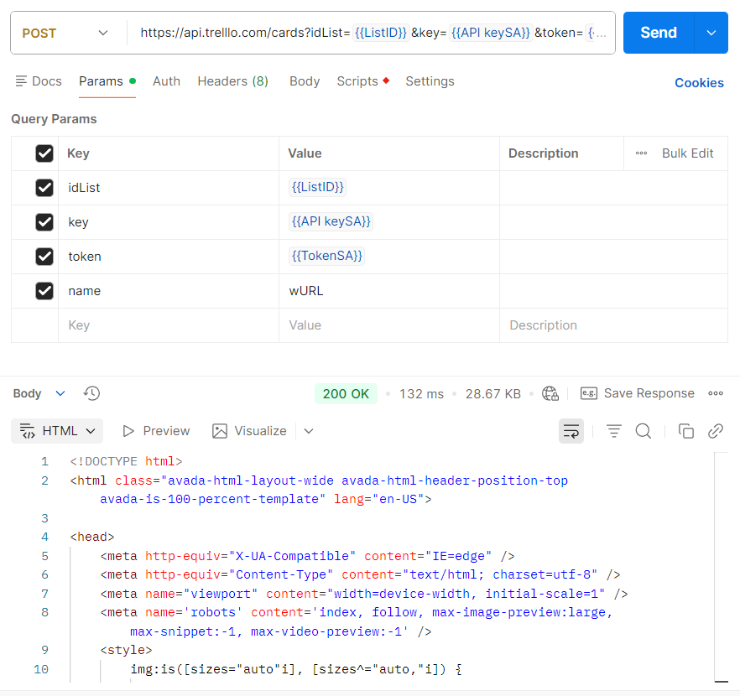 | URL:https://api.trelllo.com/1/cards?idList=5abbe4b7ddc1b351ef961414&key=APIKey&token=APIToken Header:Accept: application/json JS assertions:
2 | opened | Salma Alaa | V2 | GC03 | 1-open postman 2-set method to get 3-Enter correct URL 4-Enter required headers 5-Click send | status code : 405 response in : JSON | status code : 200 response in : HTML | immediate | Major | 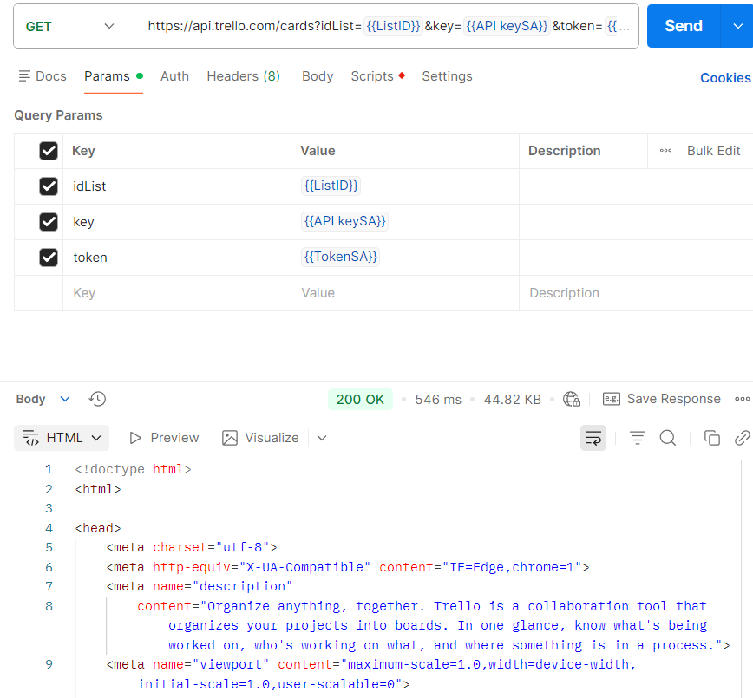 | URL:https://api.trello.com/1/cards?idList=5abbe4b7ddc1b351ef961414&key=APIKey&token=APIToken Header:Accept: application/json JS assertions:
3 | opened | Salma Alaa | V3 | GC04 | 1-open postman 2-set method to post 3-Enter correct URL 4-do not Enter required headers 5-Click send | status code : 400 response in : JSON | status code : 200 response in : HTML | immediate | Major | 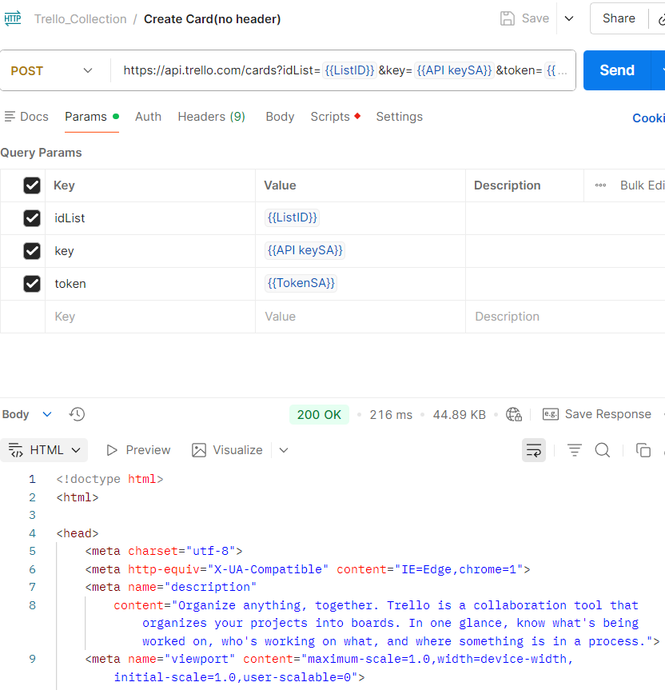 | URL:https://api.trello.com/1/cards?idList=5abbe4b7ddc1b351ef961414&key=APIKey&token=APIToken Header:Accept: application/json JS assertions:
4 | opened | Salma Alaa | V4 | GC05 | 1-open postman 2-set method to post 3-Enter correct URL 4-Enter required headers 5-Enter body 6-Click send | status code : 400 response in : JSON | status code : 200 response in : HTML | immediate | Major | 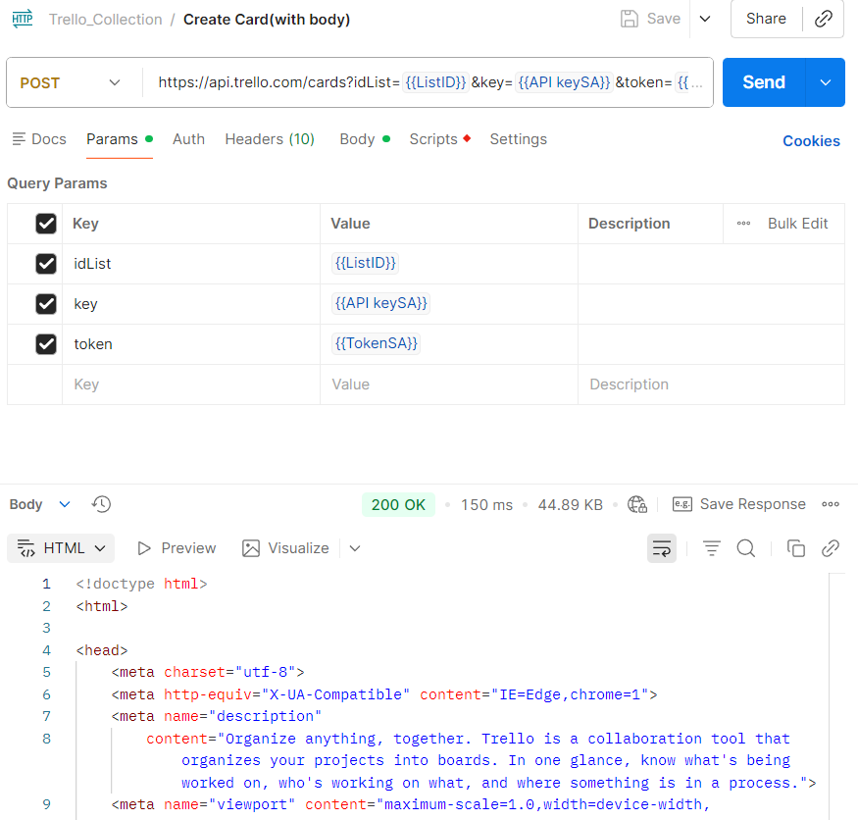 | URL:https://api.trello.com/1/cards?idList=5abbe4b7ddc1b351ef961414&key=APIKey&token=APIToken Header:Accept: application/json JS assertions:
5 | opened | Salma Alaa | V5 | GC06 | 1-open postman 2-set method to post 3-Enter correct URL 4-Enter required headers 5-remove token 6-Click send | status code : 401 response in : JSON | status code : 200 response in : HTML | immediate | Major | 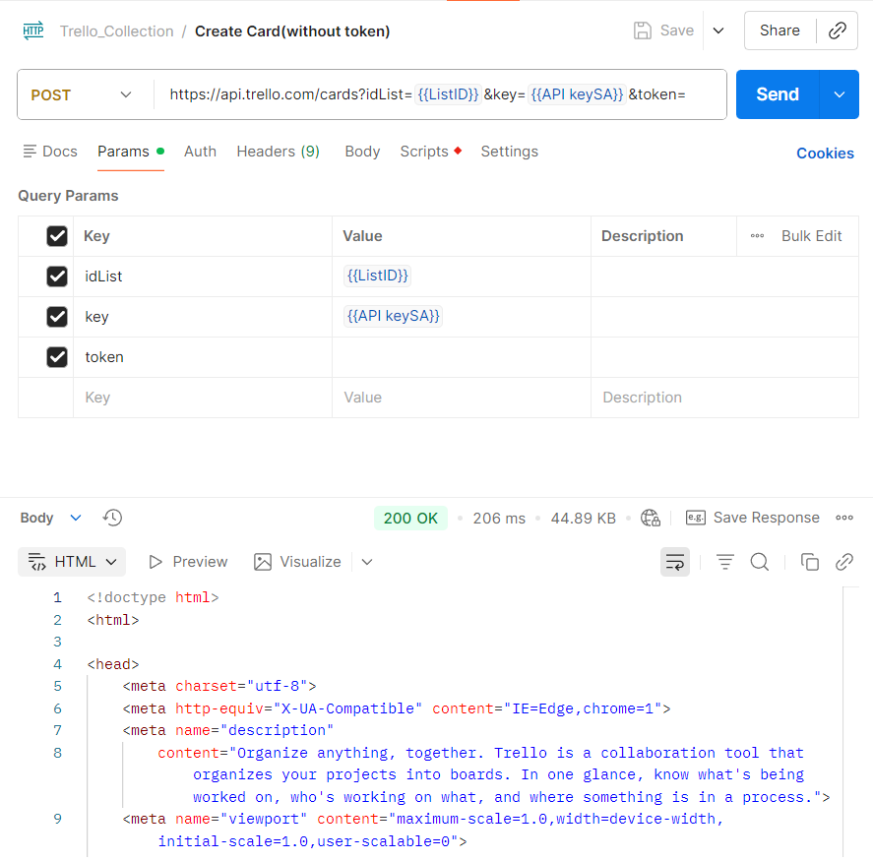 | URL:https://api.trello.com/1/cards?idList=5abbe4b7ddc1b351ef961414&key=APIKey&token=APIToken Header:Accept: application/json JS assertions:
6 | opened | Salma Alaa | V6 | GC07 | 1-open postman 2-set method to post 3-Enter correct URL 4-remove listId 5-Enter body 6-Click send | status code : 400 response in : JSON | status code : 200 response in : HTML | immediate | Major | 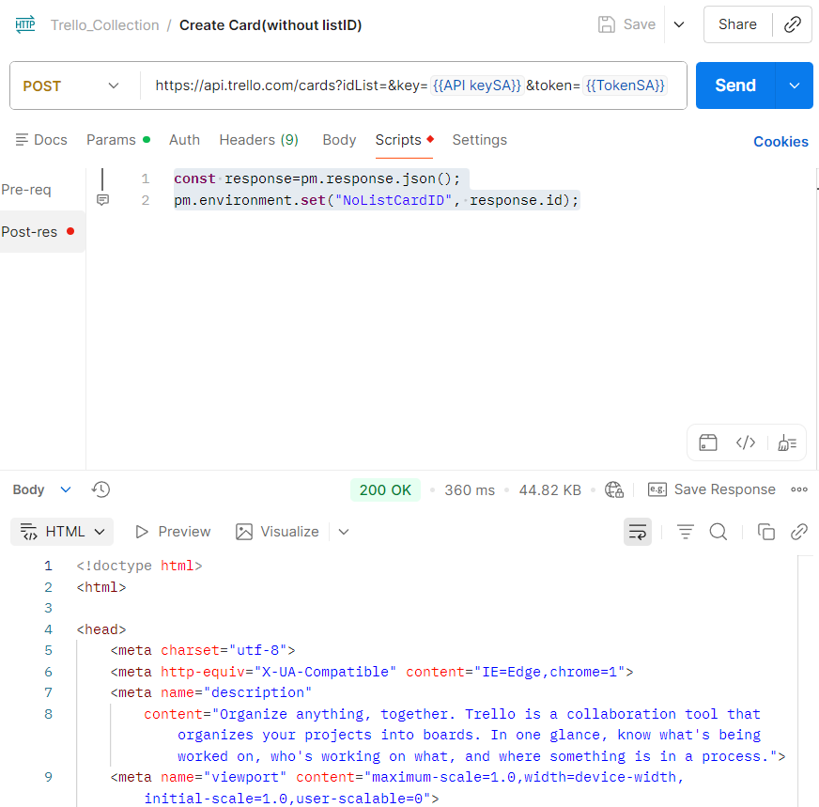 | URL:https://api.trello.com/1/cards?idList=5abbe4b7ddc1b351ef961414&key=APIKey&token=APIToken Header:Accept: application/json JS assertions:
7 | opened | Salma Alaa | V7 | GC09 | 1-open getman 2-set method to post 3-Enter Incorrect URL 4-Enter required headers 5-Click send | status code : 404 | status code : 200 | immediate | Major | 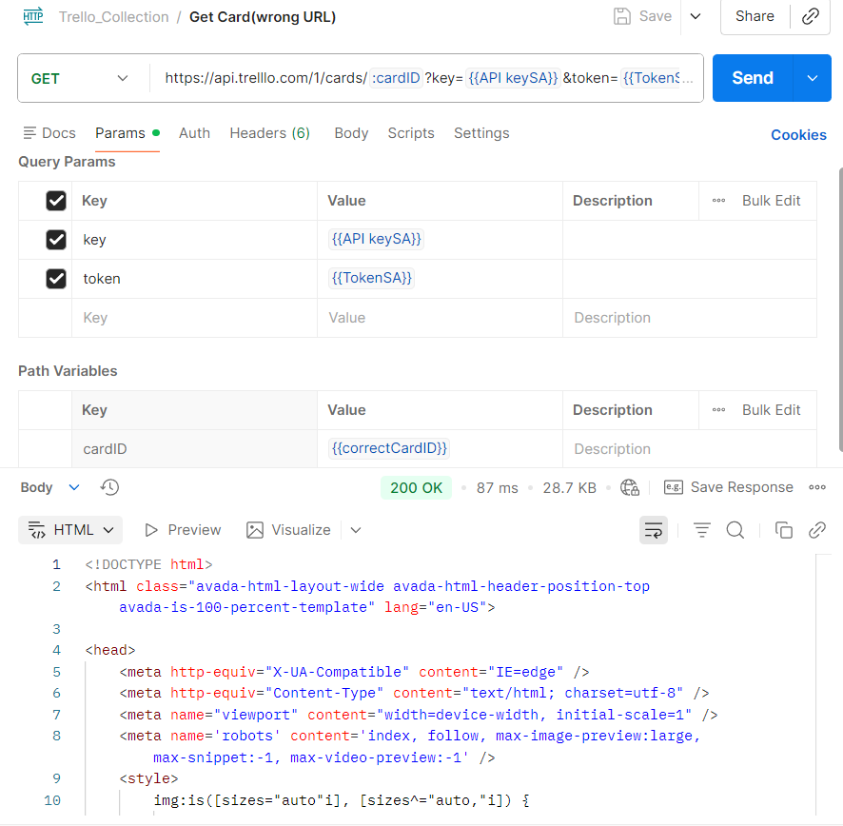 | URL:https://api.trelllo.com/1/cards?idList=5abbe4b7ddc1b351ef961414&key=APIKey&token=APIToken Header:Accept: application/json JS assertions:
8 | opened | Salma Alaa | V8 | GC10 | 1-open getman 2-set method to get 3-Enter correct URL 4-Enter required headers 5-Click send | status code : 405 | status code : 404 | medium | medium | 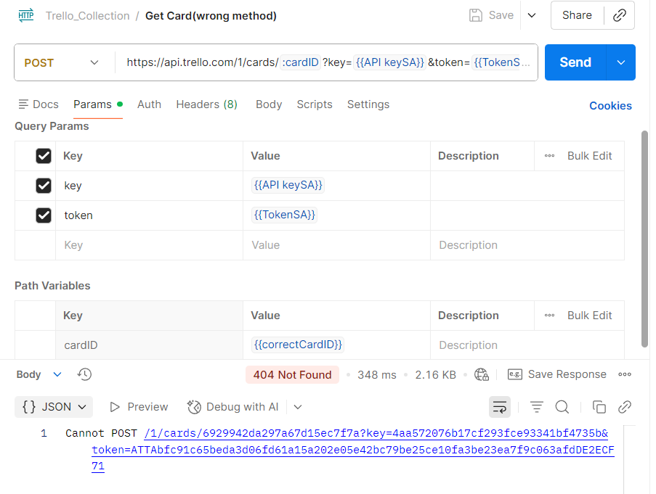 | URL:https://api.trello.com/1/cards?idList=5abbe4b7ddc1b351ef961414&key=APIKey&token=APIToken Header:Accept: application/json JS assertions:
9 | opened | Salma Alaa | V9 | GC16 | 1-open postman 2-set method to put 3-Enter Incorrect URL 4-Enter required headers,path var 5-Click send | status code : 404 | status code : 200 | immediate | Major | 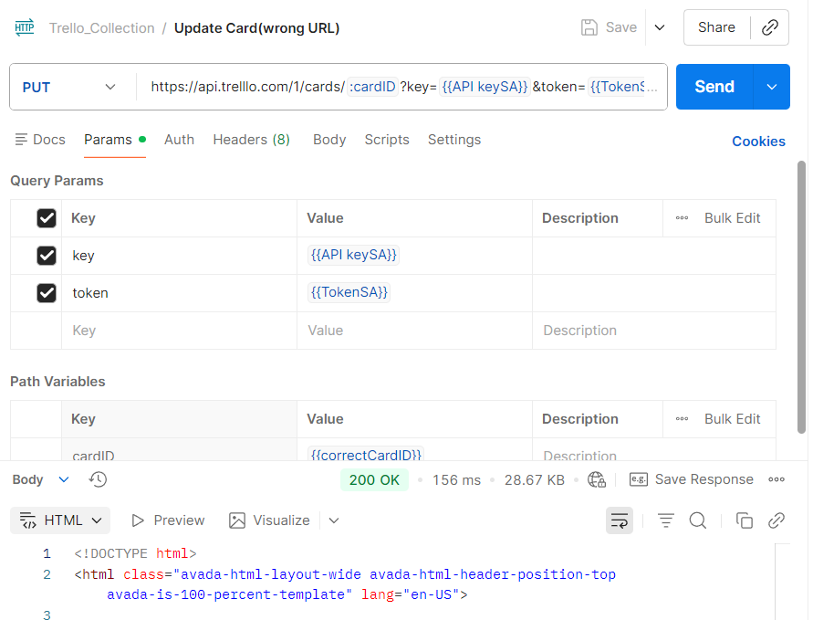 | URL:https://api.trelllo.com/1/cards/{id}?key=APIKey&token=APIToken Header:Accept: application/json JS assertions:
10 | opened | Salma Alaa | V10 | GC17 | 1-open postman 2-set method to put 3-Enter correct URL,path var 4-Enter required headers 5-Click send | status code : 405 | status code : 404 | medium | medium | 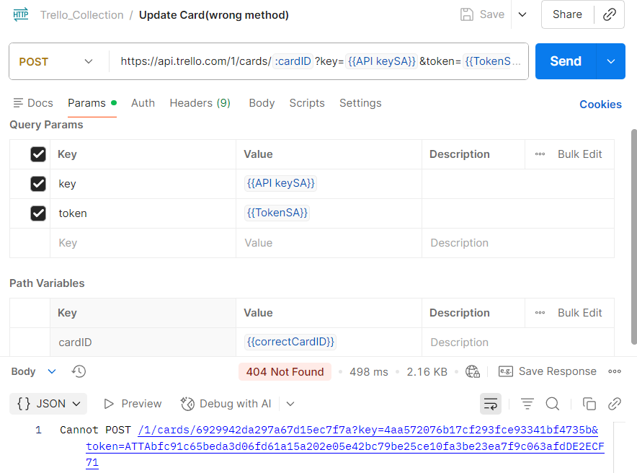 | URL:https://api.trello.com/1/cards/{id}?key=APIKey&token=APIToken Header:Accept: application/json JS assertions:
11 | opened | Salma Alaa | V11 | GC18 | 1-open postman 2-set method to put 3-Enter correct URL&path var 4-do not Enter required headers 5-Click send | status code : 400 | status code : 200 | immediate | Major | 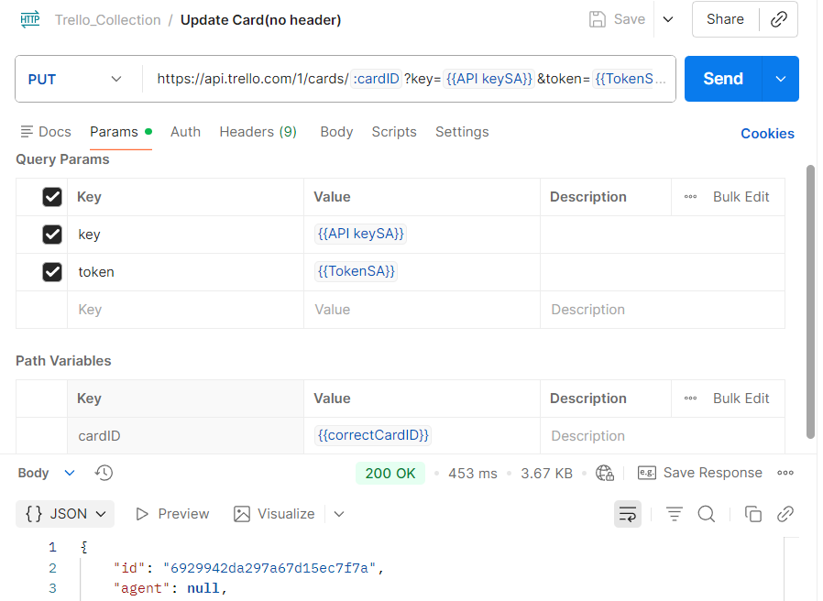 | URL:https://api.trello.com/1/cards/{id}?key=APIKey&token=APIToken Header:Accept: application/json JS assertions:
12 | opened | Salma Alaa | V12 | GC23 | 1-open postman 2-set method to del 3-Enter Incorrect URL 4-Enter required path var 5-Click send | status code : 404 | status code : 200 | immediate | Major | 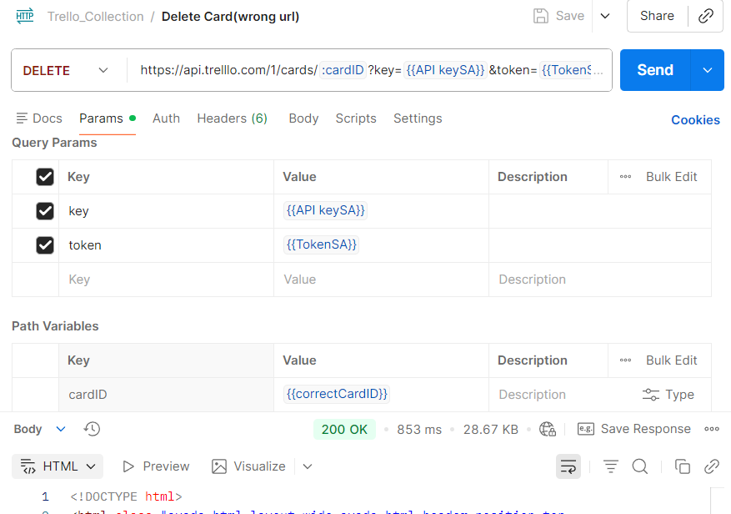 | URL:https://api.trelllo.com/1/cards/{id}?key=APIKey&token=APIToken Header: JS assertions:
13 | opened | Salma Alaa | V13 | GC24 | 1-open postman 2-set method to post 3-Enter correct URL 4-Enter required path var 5-Click send | status code : 405 | status code : 404 | medium | medium | 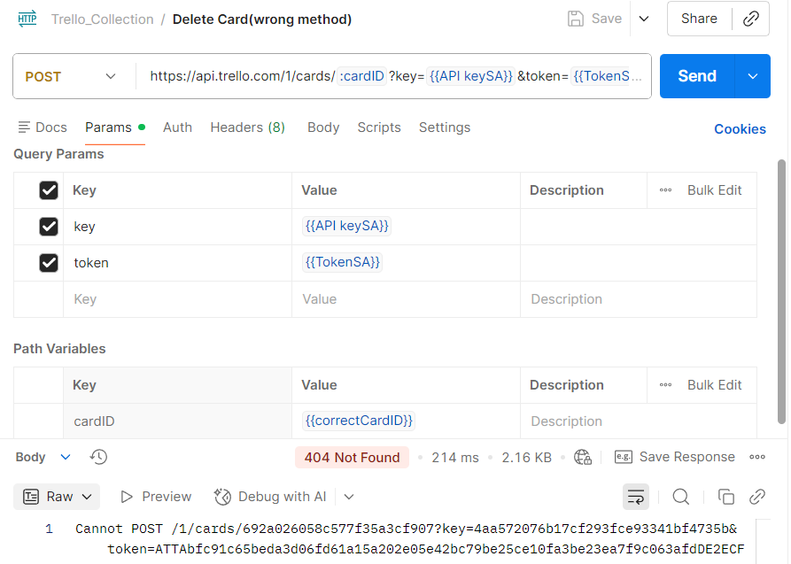 | URL:https://api.trello.com/1/cards/{id}?key=APIKey&token=APIToken Header: JS assertions:
14 | opened | Salma Alaa | V14 | GC25 | 1-open postman 2-set method to del 3-Enter correct URL,path var 4- Enter header 5-Click send | status code : 400 | status code : 200 | immediate | Major | 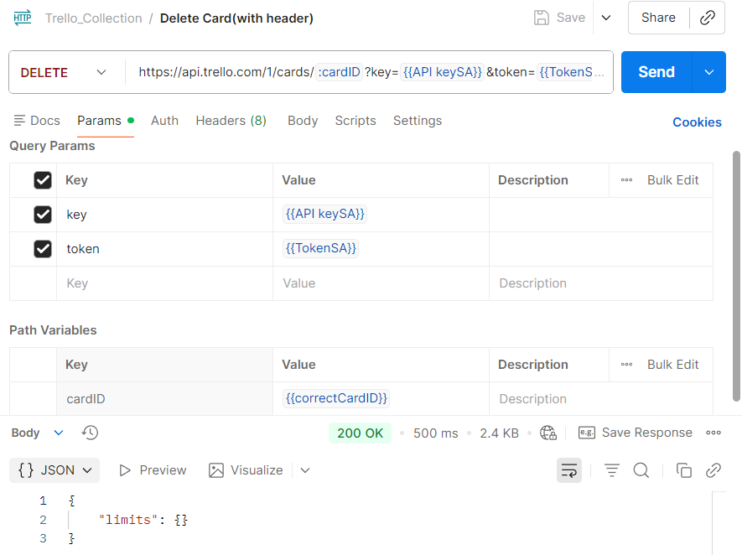 | URL:https://api.trello.com/1/cards/{id}?key=APIKey&token=APIToken Header: JS assertions:
15 | opened | Salma Alaa | V15 | GC26 | 1-open postman 2-set method to del 3-Enter correct URL 4-Enter required path var 5-Enter body 6-Click send | status code : 400 | status code : 200 | immediate | Major | 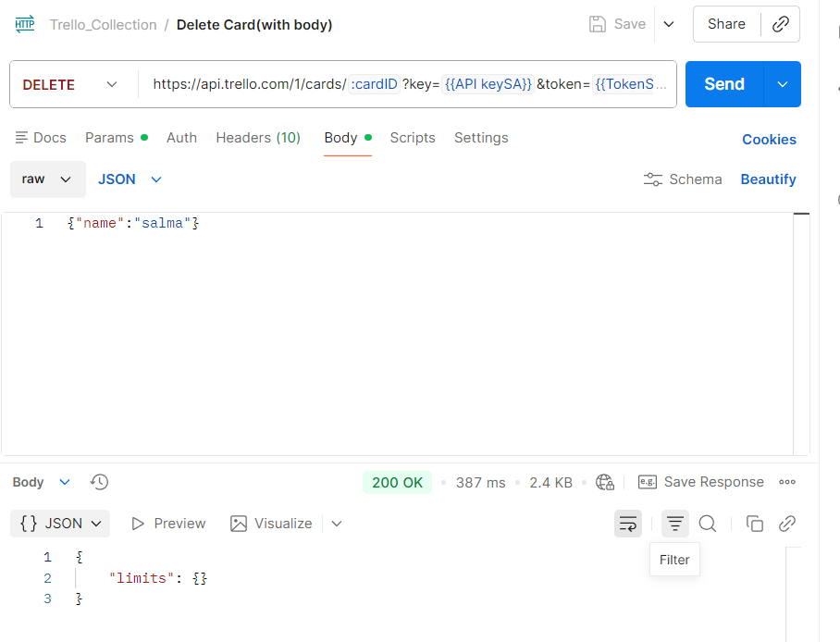 | URL:https://api.trello.com/1/cards/{id}?key=APIKey&token=APIToken Header: JS assertions:
16 | opened | Salma Alaa | V16 | GC12 | 1-open getman 2-set method to get 3-Enter correct URL 4-Enter required headers 5-Enter body 6-Click send | status code : 400 | status code : 403 | immediate | 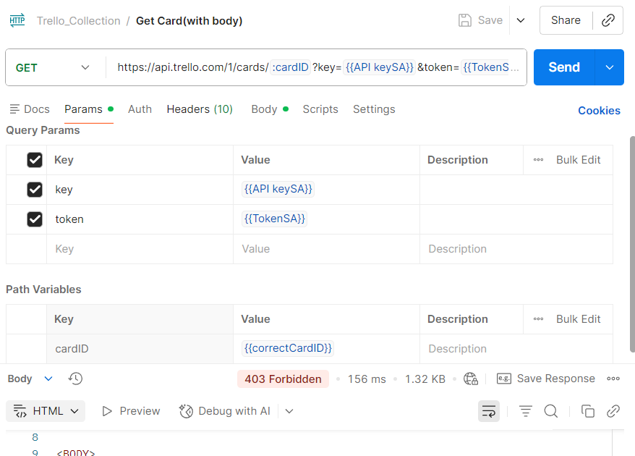 Major |  | URL:https://api.trello.com/1/cards?idList=5abbe4b7ddc1b351ef961414&key=APIKey&token=APIToken Header:Accept: application/json JS assertions:

Checklists
Defect # | Status | Raised By | Tested on Version | Test Case ID | Steps to Reproduce | Expected Result | Actual Result | Priority | Severity | Screen shot | Test Data
1 | opened | Abdallah Tarek | V1 | CK13 | 1-open postman 2-set method to post 3-Enter Incorrect URL 4-Enter required headers 5-Click send | status code : 400 | status code : 401 | Low | Minor | 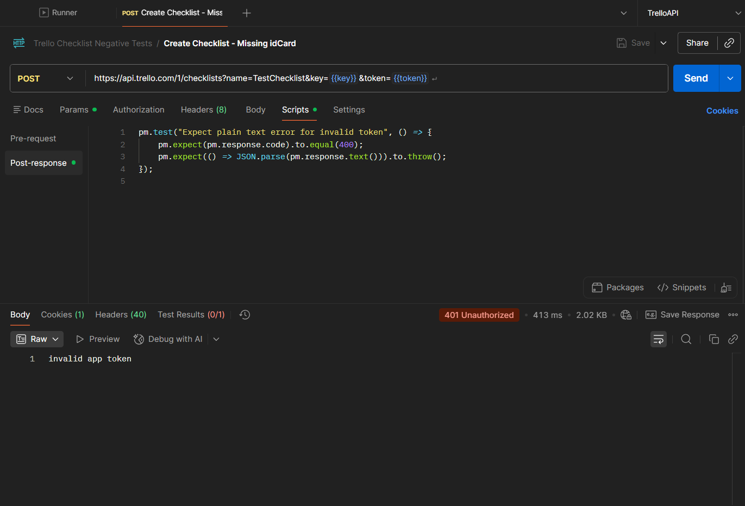 | https://api.trello.com/1/checklists?name=TestChecklist&key={{key}}&token={{token}}

